Layout
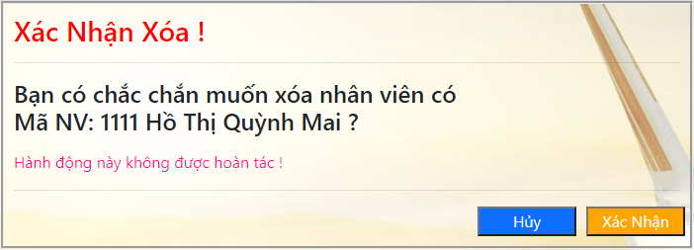
6.5.3.1. Danh sách nhân viên

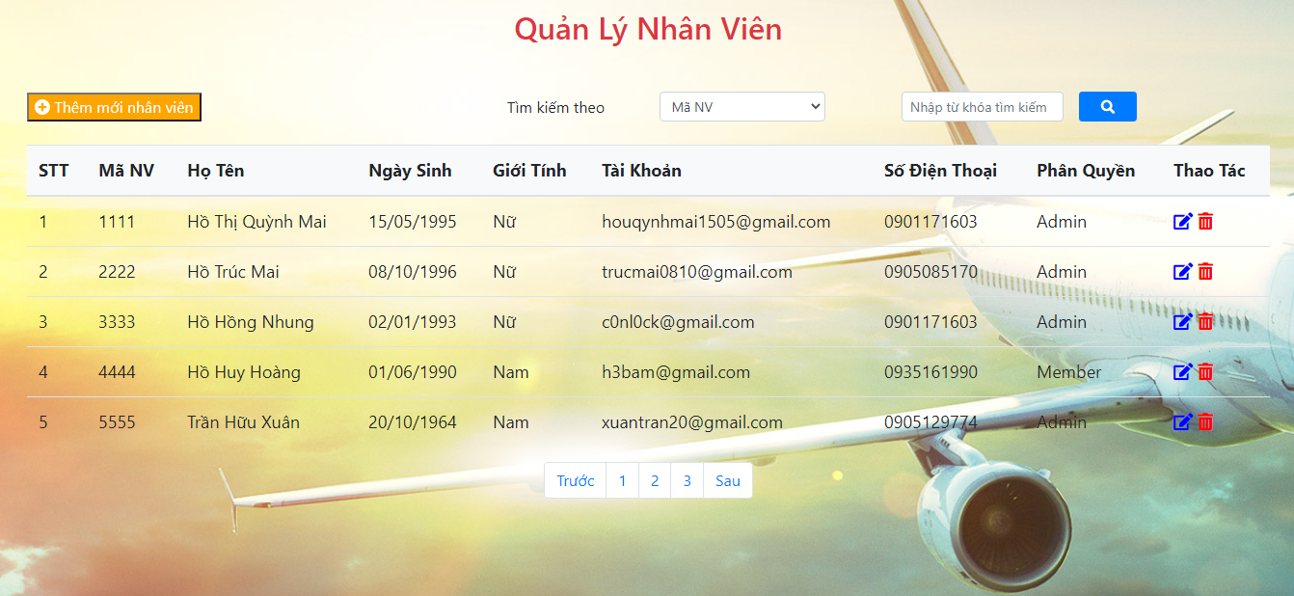

6.5.3.2. Thêm nhân viên

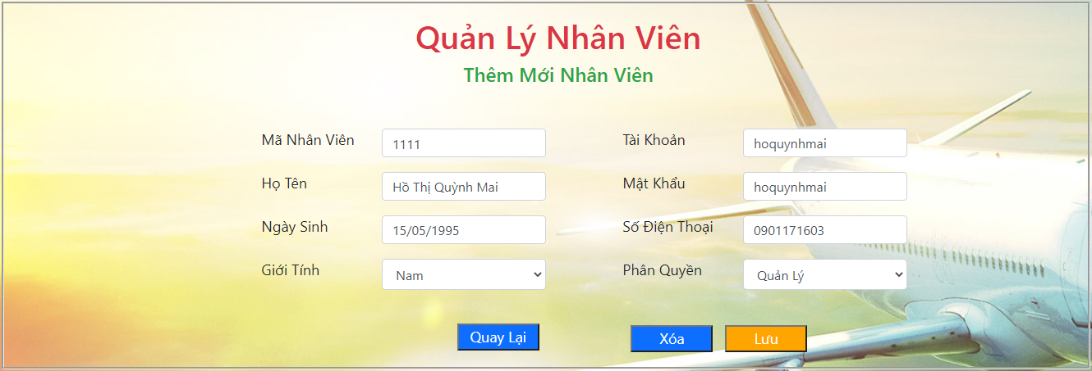

6.5.3.3. Sửa nhân viên

6.5.3.4. Xóa nhân viên

